INSTRUCTIONS

 |  |  |  |  | ELECTRONIC CAMPAIGN REPORT

 |  |  |  |  |  | 1201 Hudson Lane, Monroe LA 71201 |  | 939 North Trenton Street, Ruston LA 71270
 |  |  |  |  |  | (318) 325-3869 |  | (318) 232-0055
 |  |  |  |  |  |  | https://www.unitedwaynela.org/toolkit

 | STEPS TO COMPLETING THE ELECTRONIC CAMPAIGN REPORT

 | The United Way Electronic Campaign Report is a quick way to summarize corporate and payroll deductions for submission to United Way.
 | This workbook contains three tabs:
 |  | ♦ Campaign Report - A summary of the pledge and payment information entered on the Employee Report and Corporate Reports. This form simplifies the submission process and minimizes errors in donation submissions.

 |  | ♦ Employee Report - A detailed list of payroll deduction givers for use by small and large companies. Data can be imported or copy/pasted from company listings. The electronic form contains dropdown list to aid in the report completion. The electronic Employee Report will signify when a giver reaches Leader Status, and the first page of the printed report serves as the Leader Report for an organization.

 |  | ♦ Corporate Report - A simple form to collect information for corporation donations.
 | All the information requested on the Electronic Campaign Report is pertinent for the accounting process by both the company's payroll function, as well as United Way's receivable/revenue recognition/collection functions. All reports are formatted for printing. Therefore, it is highly recommended that a company print completed reports for their records, as well as reports to submit in the company's Campaign Folder.

 | TO MODIFY INPUTS, simply 'delete' the cell information. Please do not back-space. Use the DELETE KEY to remove information.

REPORT |  |  | STEP | INSTRUCTION

CAMPAIGN REPORT TAB |  |  | 1 | Enter the pertinent business information for your organization. Officer, Coordinator and Accounting/Payroll contact information is needed in case there are questions related to the pledge, payment, or collection. Select the Partial Submission box if the company anticipates additional pledging. Total Company Employee counts are critical to our United Way reporting requirements.

 |  | Enter all information requested in the red boxes

 |  |  | 2 | Most entries on the Campaign Report pull from the details provided on the Employee Report and the Corporate Report, with the exception of items in red font. United Way provides monthly, quarterly and annual statement options; thus, select the Statement Frequency that best fits your organization. If no statement cycle is selected, the statement defaults to monthly. Memo Givers are individuals who receive recognition for Corporate donations. See instructions on the Corporate Report tab for identifying and reporting Memo Givers.
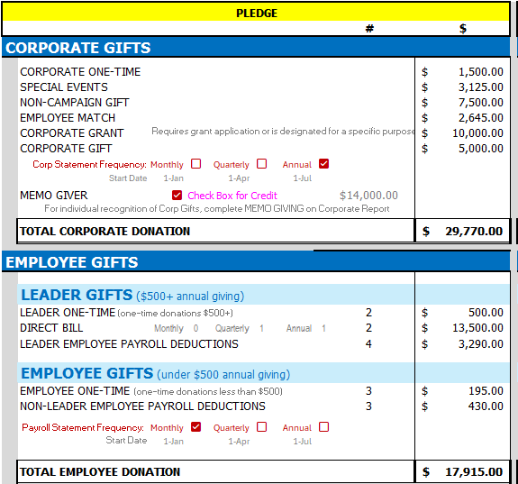

 |  |  |  |  |  |  |  |  | When individual(s) is to receive credit for Corporate Gifts, complete the MEMO GIVER section of the Corporate Report, selecting "YES" for the gifts to be credited. The MEMO GIVER check-box must be selected for the individual(s) to actual receive credit. A prompt box will appear when the Corporate Report contains Memo Giver details. Grants are not eligible for Memo Givers.

 |  |  | Select the Statement Cycles for Payroll Deductions and Corporate Gifts

EMPLOYEE REPORT TAB |  |  | 3 | Enter the Business Name and each Employee that is donating to United Way. If the Employee wishes to remain Anonoymous, select "YES"; otherwise leave blank or select "NO". If an employee's donation is to be EXCLUDED from a Company Match (such as a business owner), select "YES"; otherwise leave blank or select "NO". The LEADERS REPORT is the first printed page of the Employee Report and contains pertinent information for recognition of our leader givers (donations $500 and over). In the Leaders Report section, select "YES" or "NO" (or leave blank) to indicate of an employee's gift is part of a Household Donation. Then include the spouse name and spouse employer.

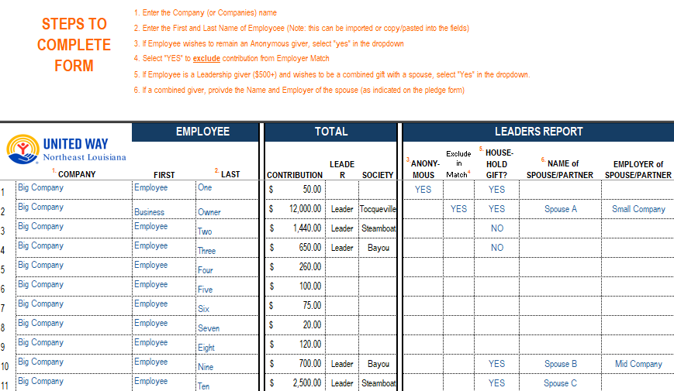
 |  | Refer to the detailed instructions on each Report tab.

 |  | The "Leaders Report" (first page of the Employee Report) contains the designation for leader givers based on Total Pledge.

 |  | Information can be cut/pasted into form, and also copied down for ease and efficiency

 |  | Blue fields are INPUT fields Black fields are CALCULATIONS

EMPLOYEE REPORT TAB |  |  | 4 | In the PAYROLL DEDUCTION section of the Employee Report enter the employees' payroll deduction elections from their Campaign Forms. Amount is the per pay period payroll withholding. Select the Pay Periods: One-time payroll deduction (1x), Monthy (12x), Semi-monthly (24x), Bi-weekly (26x) or Weekly (52x). The Annual Payroll Deduction Contribution will populate (payroll deduction amount X payroll deductions in a year). If an employee elects to give a one-time donation by Cash, Check or through GiftSmart Credit Card, enter the amount of the currency collected (or TOTAL pledged if by credit card through the GiftSmart app) in the One-Time Gifts section. Remit the currency collected with the Campaign Report in the Campaign Envelope. Once the Total Contribution is calculated, the Leader and Society designation will populate in the Leaders Report section.

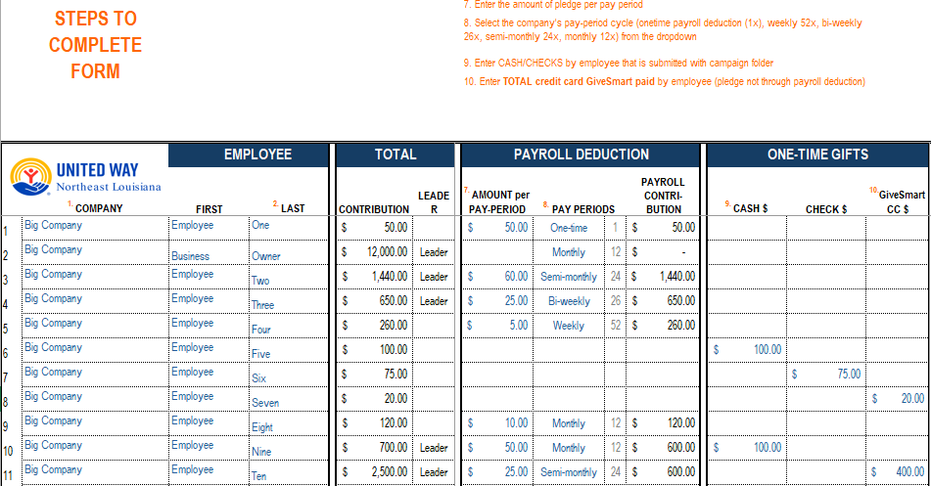

 |  |  |  | Enter the company name once and copy down the worksheet. Cut and paste employee names from another source. |  |  | Many fields are drop-down menus, which can be copied down the worksheet |  |  | Enter TOTAL for GiftSmart Credit Card Pledges.

EMPLOYEE REPORT TAB |  |  | 5 | If an employee elects to donate outside of payroll deduction, enter the amount of the pledge as a Direct Bill and select the Statement Frequency per the Campaign Form. For an 'Annual' direct bill, enter the preferred billing date, otherwise the billing date will be defaulted to July. To complete a Direct Bill pledge it is important to include both the employee's mailing and email addresses. If an employee elects for a Credit Card Direct Bill (usually a recurring payment) that is not through the GiftSmart app, select "YES" to indicate credit card payment in the Direct Bill Donation section.

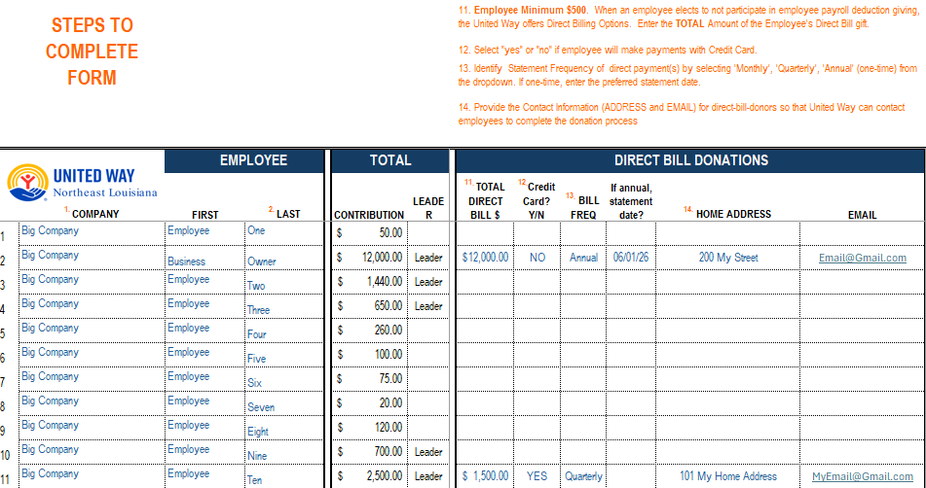

CORPORATE REPORT TAB |  |  | 6 | Enter the business name and the One-Time Corporate or Billable Corporate Gift payment information. If Cash or Check is submitted with the Corporate Campaign Report, enter the amount remitted as a Corporate One-Time Gift. If the corporation is to be billed, enter the amount, billing frequency and if annual, the preferred billing date (note: statement cycles default to monthly if not specified). If the business owner elects for the business donation(s) to be recognized as/along with the owner's individual donation, select the MEMO GIVER option "YES", and complete the Memo Giver name and spouse information. ♦ Use a separate Electronic Campaign Report for each legal entity.

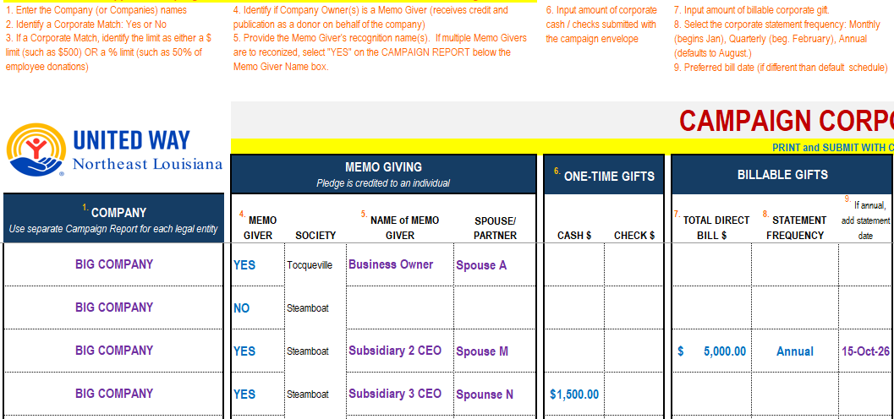

CORPORATE REPORT TAB |  |  | 7 | When a business (or business owner) submits Other Gifts with the Campaign Envelope, complete the Other Gifts section of the Corporate Report. Other gifts include, but are not limited to: ♦ Special Events: golf tournaments, employer functions, philanthropic occasions, campus student organization collections ♦ Non-Campaign: donations for a United Way event (Steamboat, Celebrating Excellence, special purpose funding When a business commits potential funding through a foundation or association that requires United Way to complete an application, or requires specific performance, or is limited in use based on contractural obligations, enter the potential donation in Corporate Grant. Importantly, provide a Description for all Other Gifts for United Way reporting purposes.

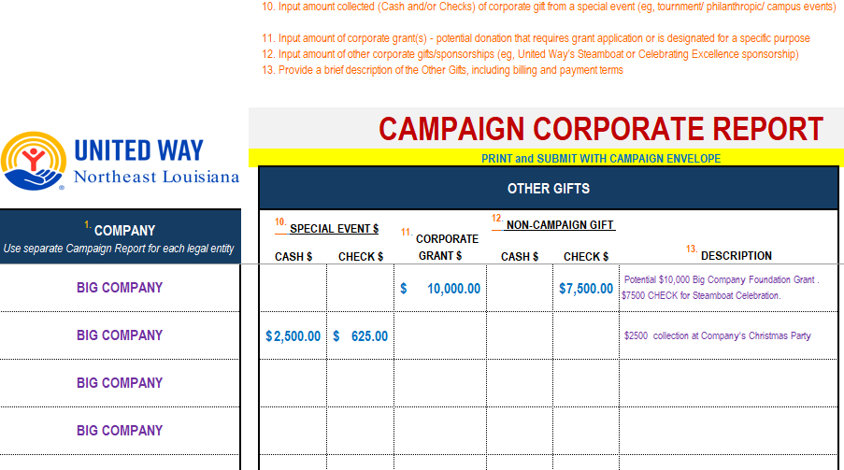

CORPORATE REPORT TAB |  |  | 8 | When a company is Matching Employee Donations, select "YES" for the Corporate Match; otherwise leave blank or select "NO". If the corporate match is limited, enter the Corporate Limit as either a dollar limit $ or % limit (eg, $1000 limit on $2000 employee donations, or 50% limit). If there is no limit, leave the Match Limit empty. Note that the Corporate Match is calcuated based on the Total Employee Donations that are not excluded from the Match (see the Employee Report, column 4)

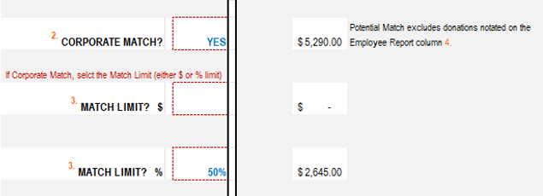

 |  |  | 9 | PRINT TWO COPIES OF ALL REPORTS. Keep a copy for your records and submit a copy with your Campaign Envelope.

CAMPAIGN REPORT
 |  |  |  |  |  |  |  |  |  | Include printed copy in Campaign Folder Submission. Set to Print Letter, 2 Pages.

 |  |  |  |  |  |  |  |  |  | ELECTRONIC CAMPAIGN REPORT

 |  |  |  |  |  |  |  |  |  |  | 1201 Hudson Lane, Monroe LA 71201 |  |  | 939 North Trenton Street, Ruston LA 71270
 |  |  |  |  |  |  |  |  |  |  | (318) 325-3869 |  |  | (318) 232-0055
 |  |  |  |  |  |  |  |  |  |  |  |  | https://www.unitedwaynela.org/toolkit

 | PLEDGES CANNOT BE PROCESSED WITHOUT THIS INFORMATION

Select if Yes
 |  |  | BUSINESS NAME: |  |  |  |  |  |  |  |  |  |  |  | PARTIAL SUBMISSION: | FALSE

 |  |  | BUSINESS ADDRESS: |  |  |  |  |  |  |  |  |  |  |  | TOTAL # EMPLOYEES:

 |  |  | CHIEF EXECUTIVE OFFICER: |  |  |  |  |  |  |  |  |  | PHONE/EMAIL:

 |  |  | CAMPAIGN COORDINATOR: |  |  |  |  |  |  |  |  |  | PHONE/EMAIL:

 |  |  | ACCOUNTING CONTACT: |  |  |  |  |  |  |  |  |  | PHONE/EMAIL:

 | PLEDGE |  |  |  |  |  |  |  |  |  |  |  | TOTAL PAYMENT SUBMITTED WITH CAMPAIGN REPORT
 |  |  |  |  |  |  |  |  |  | # | $ |  | CASH $ | CHECKS $ | CREDIT-CARD $ | TOTAL PAYMENT
 | CORPORATE GIFTS
 |  | CORPORATE ONE-TIME |  |  |  |  |  |  |  |  | $- |  | $- | $- |  | $-
 |  | SPECIAL EVENTS |  |  |  |  |  |  |  |  | $- |  | $- | $- |  | $-
 |  | NON-CAMPAIGN GIFT |  |  |  |  |  |  |  |  | $- |  | $- | $- |  | $-
 |  | EMPLOYEE MATCH |  |  |  |  |  |  |  |  | $- |  |  |  |  | $-
 |  | CORPORATE GRANT |  | Requires grant application or is designated for a specific purpose |  |  |  |  |  |  | $- |  |  |  |  | $-
 |  | CORPORATE GIFT |  |  |  |  |  |  |  |  | $- |  |  |  |  | $-
 |  |  | Corp Statement Frequency: | Monthly | FALSE | Quarterly | FALSE | Annual | FALSE
 |  |  | Start Date | 2026-01-01 |  | 2026-04-01 |  | 2026-07-01
 |  | MEMO GIVER |  | FALSE | No Memo Giver Credit |  |  |  |  | $-
 |  |  | For individual recognition of Corp Gifts, complete MEMO GIVING on Corporate Report
 |  | TOTAL CORPORATE DONATION |  |  |  |  |  |  |  |  | $- |  | $- | $- |  | $-

 | EMPLOYEE GIFTS

 |  | LEADER GIFTS ($500+ annual giving)
 |  | LEADER ONE-TIME (one-time donations $500+) |  |  |  |  |  |  |  | 0 | $- |  | $- | $- | $- | $-
 |  | DIRECT BILL |  | Monthly | 0 | Quarterly | 0 | Annual | 0 | 0 | $-
 |  | LEADER EMPLOYEE PAYROLL DEDUCTIONS |  |  |  |  |  |  |  | 0 | $-

 |  | EMPLOYEE GIFTS (under $500 annual giving)
 |  | EMPLOYEE ONE-TIME (one-time donations less than $500) |  |  |  |  |  |  |  | 0 | $- |  | $- | $- | $- | $-
 |  | NON-LEADER EMPLOYEE PAYROLL DEDUCTIONS |  |  |  |  |  |  |  | 0 | $-
 |  | Payroll Statement Frequency: |  | Monthly | FALSE | Quarterly | FALSE | Annual | FALSE
 |  |  | Start Date | 2026-01-01 |  | 2026-04-01 |  | 2026-07-01
 |  | TOTAL EMPLOYEE DONATION |  |  |  |  |  |  |  |  | $- |  | $- | $- | $- | $-

 |  |  |  |  |  |  |  |  |  | COMPANY GRAND TOTAL | $- |  | $- | $- | $- | $-
 | NOTES TO UNITED WAY
 | notes to united way

 |  | PLEASE PRINT AND RETAIN A COPY OF THIS REPORT FOR YOUR RECORDS. THANK YOU

 | FOR UNITED WAY USE ONLY

 |  |  |  |  | None |  | Enclosed
 |  |  | Employee Report ♦ |  | FALSE |  | FALSE |  |  |  |  | Campaign Year |  |  | ANDAR Acct #
 |  |  | ♦ If Employee Report is not provided, a Leadership List is required.
 |  |  | Corporate Report |  | FALSE |  | FALSE |  |  |  |  | Date Submitted |  |  | Envelope #

 |  |  | Specific Care Forms |  | FALSE |  | FALSE |  |  |  |  |  |  |  | Date Loaded in ANDAR

 |  |  |  |  |  |  |  |  | United Way Staff Signature |  |  |  |  |  | Date Closed in ANDAR

 | Submit with the Campaign Report

 | FOR UNITED WAY FINANCE DEPARTMENT USE ONLY

 |  |  | ENVELOPE FACE

 |  |  |  |  |  |  |  |  |  | Face # Donors | Face Pledge |  | Face Pymt/Adj

 |  |  |  | CORPORATE GIFTS |  |  |  |  |  |  | $- |  | $-
 |  |  |  | EMPLOYEE GIFTS |  |  |  |  | (A) | 0 | $- |  | $-
 |  |  |  | MATCH GIFTS |  |  |  |  |  |  | $- |  | $-
 |  |  |  | MATCH MEMO GIFTS |  |  |  |  |  |  | $-
 |  |  |  | MEMO GIFTS |  |  |  |  |  |  | $-
 |  |  |  | OTHER NON-CAMPAIGN GIFTS |  |  |  |  |  |  | $- |  | $-
 |  |  |  | PAYROLL |  |  |  |  | (B) | 0 | $-
 |  |  |  | WORKPLACE SPECIAL EVENT GIFTS |  |  |  |  |  |  | $- |  | $-
 |  |  |  | ENVELOPE TOTAL AMOUNT |  |  |  |  |  |  | $- |  | $-
 |  |  | Campaign Report | + GiftSmart Credit Card Gifts |  |  |  |  |  | 0 | $- |  | $-
 |  |  | Reconcilation | - Memo Giver Credit |  |  |  |  |  |  | $- |  | $-
 |  |  |  | Campaign Report Total |  |  |  |  |  |  | $- |  | $-
 |  |  |  |  |  |  |  |  |  |  | TRUE |  | TRUE

 |  |  | TRANSACTIONS
 |  |  |  |  |  |  |  |  | PLEDGE |  | PAYMENT |  | STMT CYCLE | START DATE | CASH $ | CHECKS $
 |  |  |  |  |  |  |  | # |  | $

 |  |  |  | Corporate |  |  |  |  |  | $- | $- |  | Monthly | January 1
SPECIAL EVENTS |  |  |  | Workplace Special Event |  |  |  |  |  | $- | $- |  | Monthly | January 1 | 0 | 0
NON-CAMPAIGN GIFT |  |  |  | Corporate Non-Campaign |  |  |  |  | (C ) | $- | $- |  | Monthly | January 1 | 0 | 0
EMPLOYEE MATCH |  |  |  | Corporate Match |  |  |  |  |  | $- | $- |  | Monthly | January 1 | 0 | 0
CORPORATE GRANT |  |  | Corporate Credit | Memo / Other Memo |  |  |  |  | (D) | $- |  |  |  |  | 0 | 0
 |  |  | Memo Giver Credit | Employee Memo |  |  |  |  | (E ) | $-
EMPLOYEE ONE-TIME (one-time donations less than $500) |  |  | Batch | EmployeeFully Paid |  |  |  | 0 | (A) | $- | $- |  | Monthly | Monthly | 0 | 0
NON-LEADER EMPLOYEE PAYROLL DEDUCTIONS |  |  | Batch | Employee Payroll |  |  |  | 0 | (B) | $- |  |  | Monthly | Monthly | 0 | 0
LEADER EMPLOYEE PAYROLL DEDUCTIONS |  |  | Leader | Employee Payroll |  |  |  | 0 | (B) | $- |  |  | Monthly | Monthly | 0 | 0
LEADER ONE-TIME (one-time donations $500+) |  |  | Leader | EmployeeFully Paid |  |  |  | 0 | (A) | $- | $- |  | Monthly | Monthly | 0 | 0
DIRECT BILL |  |  | Leader | Employee To Be Billed |  |  |  | 0 | (A) | $- |  |  | Refer to Emp Report, Page 3. If no cycle default to Monthly. |  | 0 | 0
 |  |  |  | TOTAL TRANSACTIONS |  |  |  |  |  | $- | $-
 |  |  |  |  |  |  |  |  |  | TRUE | TRUE

 |  |  |  | (C ) Corporate Event Participation No desgn Non-renewable (Non-Compaign)
 |  |  |  | (D ) Transaction as Memo or Other Memo with credit to the Corporation ANDAR account
 |  |  |  | (E ) See Corporate Report for ANDAR account memo credit

